records
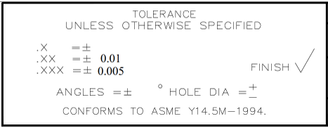
Sample Measurement Record
Mano Engineering LLC |  |  |  |  | Part No. X17310422020
No. | A | B | C | D
1 | 0.7 | 0.681 | 0.164 | 0.1935
2 | 0.691 | 0.687 | 0.168 | 0.1915
3 | 0.698 | 0.684 | 0.166 | 0.191
4 | 0.693 | 0.68 | 0.164 | 0.19
5 | 0.694 | 0.683 | 0.167 | 0.1945

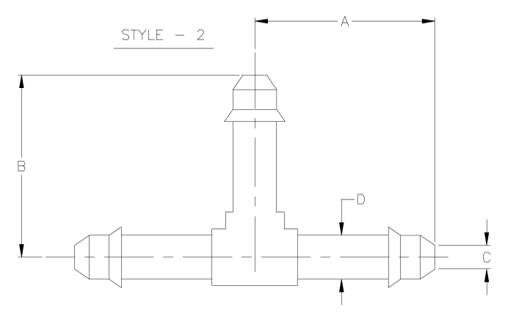

A

